S Str&Pad
Malaysia |  |  | perc_baseline |  | perc_target |  | RR_d | RR_i | perc_fatal_side | perc_nonfatal_side |  |  |  | lcl_bl_deaths | lcl_bl_nonfatal |  | affected_deaths | rest_deaths | affected_deaths= affected_deaths* (1 - `prop_target'*(1-`RR_d'))/(1 - `prop_baseline'*(1-`RR_d'))
REG | TECHNOLOGY |  | CURRENT AVAILABILITY | INTERVENTION | COUNTERFACTUAL USE | Affected Groups | RELATIVE RISK (death) | RELATIVE RISK (injury) | PROP. OF SIDE CRASHES (death) | PROP OF SIDE CRASHES (injuries) | POPULATION AFFECTED |  |  | BASELINE DEATHS | BASELINE INJURIES | AFFECTED GROUP | AFFECTED DEATHS |  | INTERVENTION
UN 95, UN 135 | SIDE STR&PADD |  | 0 | SIDE STRUCTURE IN ALL CAR, TRUCK, BUS | 1 | Occupants | 0.79 | 0.79 | 0.25 | 0.337
 |  |  |  |  |  |  |  |  |  |  | Cause | Sex | Age | Deaths | Injuries | NO=0 / YES=1 | Deaths | Deaths | Deaths
 |  |  |  |  |  |  |  |  |  |  | Pedestrian | Male | <5 years | 1 | 35 | 0 | 0.71 | 0.00 | 1
 |  |  |  |  |  |  |  |  |  |  | Pedestrian | Male | 5-9 years | 3 | 154 | 0 | 3.40 | 0.00 | 3
 |  |  |  |  |  |  |  |  |  |  | Pedestrian | Male | 10-14 years | 7 | 426 | 0 | 6.81 | 0.00 | 7
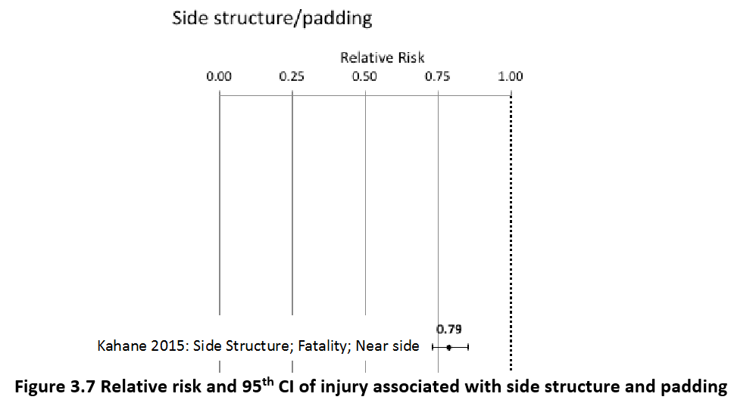
 |  |  |  |  |  |  |  |  |  |  | Pedestrian | Male | 15-19 years | 15 | 1150 | 0 | 14.76 | 0.00 | 15
 |  |  |  |  |  |  |  |  |  |  | Pedestrian | Male | 20-24 years | 22 | 1532 | 0 | 22.03 | 0.00 | 22
 |  |  |  |  |  |  |  |  |  |  | Pedestrian | Male | 25-29 years | 17 | 1413 | 0 | 17.30 | 0.00 | 17
 |  |  |  |  |  |  |  |  |  |  | Pedestrian | Male | 30-34 years | 21 | 1325 | 0 | 20.98 | 0.00 | 21
 |  |  |  |  |  |  |  |  |  |  | Pedestrian | Male | 35-39 years | 15 | 996 | 0 | 15.29 | 0.00 | 15
 |  |  |  |  |  |  |  |  |  |  | Pedestrian | Male | 40-44 years | 13 | 824 | 0 | 13.44 | 0.00 | 13
 |  |  |  |  |  |  |  |  |  |  | Pedestrian | Male | 45-49 years | 16 | 746 | 0 | 16.44 | 0.00 | 16
 |  |  |  |  |  |  |  |  |  |  | Pedestrian | Male | 50-54 years | 20 | 678 | 0 | 20.24 | 0.00 | 20
 |  |  |  |  |  |  |  |  |  |  | Pedestrian | Male | 55-59 years | 23 | 681 | 0 | 23.30 | 0.00 | 23
 |  |  |  |  |  |  |  |  |  |  | Pedestrian | Male | 60-64 years | 30 | 594 | 0 | 30.36 | 0.00 | 30
 |  |  |  |  |  |  |  |  |  |  | Pedestrian | Male | 65-69 years | 31 | 325 | 0 | 30.71 | 0.00 | 31
 |  |  |  |  |  |  |  |  |  |  | Pedestrian | Male | 70-74 years | 33 | 262 | 0 | 33.14 | 0.00 | 33
 |  |  |  |  |  |  |  |  |  |  | Pedestrian | Male | 75-79 years | 32 | 201 | 0 | 31.65 | 0.00 | 32
 |  |  |  |  |  |  |  |  |  |  | Pedestrian | Male | 80-84 years | 21 | 99 | 0 | 20.54 | 0.00 | 21
 |  |  |  |  |  |  |  |  |  |  | Pedestrian | Male | 85+ | 13 | 34 | 0 | 13.12 | 0.00 | 13
 |  |  |  |  |  |  |  |  |  |  | Pedestrian | Female | <5 years | 0 | 47 | 0 | 0.34 | 0.00 | 0
 |  |  |  |  |  |  |  |  |  |  | Pedestrian | Female | 5-9 years | 2 | 127 | 0 | 1.84 | 0.00 | 2
 |  |  |  |  |  |  |  |  |  |  | Pedestrian | Female | 10-14 years | 3 | 302 | 0 | 2.70 | 0.00 | 3
 |  |  |  |  |  |  |  |  |  |  | Pedestrian | Female | 15-19 years | 5 | 738 | 0 | 5.14 | 0.00 | 5
 |  |  |  |  |  |  |  |  |  |  | Pedestrian | Female | 20-24 years | 7 | 911 | 0 | 6.61 | 0.00 | 7
 |  |  |  |  |  |  |  |  |  |  | Pedestrian | Female | 25-29 years | 5 | 641 | 0 | 4.97 | 0.00 | 5
 |  |  |  |  |  |  |  |  |  |  | Pedestrian | Female | 30-34 years | 5 | 525 | 0 | 4.99 | 0.00 | 5
 |  |  |  |  |  |  |  |  |  |  | Pedestrian | Female | 35-39 years | 5 | 457 | 0 | 4.70 | 0.00 | 5
 |  |  |  |  |  |  |  |  |  |  | Pedestrian | Female | 40-44 years | 5 | 365 | 0 | 4.50 | 0.00 | 5
 |  |  |  |  |  |  |  |  |  |  | Pedestrian | Female | 45-49 years | 6 | 335 | 0 | 6.23 | 0.00 | 6
 |  |  |  |  |  |  |  |  |  |  | Pedestrian | Female | 50-54 years | 8 | 377 | 0 | 7.72 | 0.00 | 8
 |  |  |  |  |  |  |  |  |  |  | Pedestrian | Female | 55-59 years | 9 | 446 | 0 | 9.39 | 0.00 | 9
 |  |  |  |  |  |  |  |  |  |  | Pedestrian | Female | 60-64 years | 14 | 464 | 0 | 13.60 | 0.00 | 14
 |  |  |  |  |  |  |  |  |  |  | Pedestrian | Female | 65-69 years | 14 | 356 | 0 | 14.32 | 0.00 | 14
 |  |  |  |  |  |  |  |  |  |  | Pedestrian | Female | 70-74 years | 14 | 245 | 0 | 13.94 | 0.00 | 14
 |  |  |  |  |  |  |  |  |  |  | Pedestrian | Female | 75-79 years | 10 | 163 | 0 | 10.48 | 0.00 | 10
 |  |  |  |  |  |  |  |  |  |  | Pedestrian | Female | 80-84 years | 6 | 107 | 0 | 5.78 | 0.00 | 6
...
Malaysia |  |  | perc_baseline |  | perc_target |  | RR_d | RR_i | perc_fatal_side | perc_nonfatal_side
TOTAL | 7582 | 453540 | 7471 | 444874
 |  | Red.Per. | 0.0147 | 0.0191079 |  |  |  |  |  |  | Bicyclist | Male | 50-54 years | 12
 |  |  |  |  |  |  |  |  |  |  | Bicyclist | Male | 55-59 years | 15
SIDE STR&PADD | BASELINE DEATHS | BASELINE INJURIES | SIDE STR&PADD | SIDE STR&PADD |  |  |  |  |  |  | Bicyclist | Male | 60-64 years | 17
Pedestrian | 455 | 18142 | 455 | 18142 |  |  |  |  |  |  | Bicyclist | Male | 65-69 years | 16
Bicyclist | 152 | 4535 | 152 | 4535 |  |  |  |  |  |  | Bicyclist | Male | 70-74 years | 11
Motorcyclist | 4853 | 308407 | 4853 | 308407 |  |  |  |  |  |  | Bicyclist | Male | 75-79 years | 0
Occupant | 2123 | 122456 | 2012 | 113790 |  |  |  |  |  |  | Bicyclist | Male | 80-84 years | 0
Other | 0 | 0 | 0 | 0 |  |  |  |  |  |  | Bicyclist | Male | 85+ | 0
TOTAL | 7582 | 453540 | 7471 | 444874 |  |  |  |  |  |  | Bicyclist | Female | <5 years | 0
Malaysia
 | BASELINE DEATHS | SIDE STR&PADD
Pedestrian | 455 | 455
Bicyclist | 152 | 152
Motorized Two Wheeler | 4853 | 4853
Motorized Three Wheeler | 0 | 0
Car | 2123 | 2012
Bus | 0 | 0
Truck | 0 | 0
Other | 0 | 0
 |  |  |  |  |  |  |  |  |  |  | Bicyclist | Female | 5-9 years | 0
Malaysia
 | BASELINE INJURIES | SIDE STR&PADD
Pedestrian | 18142 | 18142
Bicyclist | 4535 | 4535
Motorized Two Wheeler | 308407 | 308407
Motorized Three Wheeler | 0 | 0
Car | 122456 | 113790
Bus | 0 | 0
Truck | 0 | 0
Other | 0 | 0
 |  |  |  |  |  |  |  |  |  |  | Bicyclist | Female | 10-14 years | 1
 |  |  |  |  |  |  |  |  |  |  | Bicyclist | Female | 15-19 years | 1
 |  |  |  |  |  |  |  |  |  |  | Bicyclist | Female | 20-24 years | 1
 |  |  |  |  |  |  |  |  |  |  | Bicyclist | Female | 25-29 years | 1
 |  |  |  |  |  |  |  |  |  |  | Bicyclist | Female | 30-34 years | 2
 |  |  |  |  |  |  |  |  |  |  | Bicyclist | Female | 35-39 years | 1
 |  |  |  |  |  |  |  |  |  |  | Bicyclist | Female | 40-44 years | 1
 |  |  |  |  |  |  |  |  |  |  | Bicyclist | Female | 45-49 years | 2
 |  |  |  |  |  |  |  |  |  |  | Bicyclist | Female | 50-54 years | 2
 |  |  |  |  |  |  |  |  |  |  | Bicyclist | Female | 55-59 years | 2
 |  |  |  |  |  |  |  |  |  |  | Bicyclist | Female | 60-64 years | 2
 |  |  |  |  |  |  |  |  |  |  | Bicyclist | Female | 65-69 years | 3
 |  |  |  |  |  |  |  |  |  |  | Bicyclist | Female | 70-74 years | 2
 |  |  |  |  |  |  |  |  |  |  | Bicyclist | Female | 75-79 years | 0
 |  |  |  |  |  |  |  |  |  |  | Bicyclist | Female | 80-84 years | 0
 |  |  |  |  |  |  |  |  |  |  | Bicyclist | Female | 85+ | 0
 |  |  |  |  |  |  |  |  |  |  | Motorized Two Wheeler | Male | <5 years | 3
 |  |  |  |  |  |  |  |  |  |  | Motorized Two Wheeler | Male | 5-9 years | 16
 |  |  |  |  |  |  |  |  |  |  | Motorized Two Wheeler | Male | 10-14 years | 55
 |  |  |  |  |  |  |  |  |  |  | Motorized Two Wheeler | Male | 15-19 years | 709
Malaysia
Malaysia
 |  |  |  |  |  |  |  |  |  |  | Motorized Two Wheeler | Male | 20-24 years | 949
 |  |  |  |  |  |  |  |  |  |  | Motorized Two Wheeler | Male | 25-29 years | 693
 |  |  |  |  |  |  |  |  |  |  | Motorized Two Wheeler | Male | 30-34 years | 506
 |  |  |  |  |  |  |  |  |  |  | Motorized Two Wheeler | Male | 35-39 years | 346
 |  |  |  |  |  |  |  |  |  |  | Motorized Two Wheeler | Male | 40-44 years | 275
 |  |  |  |  |  |  |  |  |  |  | Motorized Two Wheeler | Male | 45-49 years | 207
 |  |  |  |  |  |  |  |  |  |  | Motorized Two Wheeler | Male | 50-54 years | 194
 |  |  |  |  |  |  |  |  |  |  | Motorized Two Wheeler | Male | 55-59 years | 205
 |  |  |  |  |  |  |  |  |  |  | Motorized Two Wheeler | Male | 60-64 years | 87
 |  |  |  |  |  |  |  |  |  |  | Motorized Two Wheeler | Male | 65-69 years | 73
 |  |  |  |  |  |  |  |  |  |  | Motorized Two Wheeler | Male | 70-74 years | 47
 |  |  |  |  |  |  |  |  |  |  | Motorized Two Wheeler | Male | 75-79 years | 10
 |  |  |  |  |  |  |  |  |  |  | Motorized Two Wheeler | Male | 80-84 years | 8
 |  |  |  |  |  |  |  |  |  |  | Motorized Two Wheeler | Male | 85+ | 5
 |  |  |  |  |  |  |  |  |  |  | Motorized Two Wheeler | Female | <5 years | 2
 |  |  |  |  |  |  |  |  |  |  | Motorized Two Wheeler | Female | 5-9 years | 9
 |  |  |  |  |  |  |  |  |  |  | Motorized Two Wheeler | Female | 10-14 years | 15
 |  |  |  |  |  |  |  |  |  |  | Motorized Two Wheeler | Female | 15-19 years | 60
 |  |  |  |  |  |  |  |  |  |  | Motorized Two Wheeler | Female | 20-24 years | 74
 |  |  |  |  |  |  |  |  |  |  | Motorized Two Wheeler | Female | 25-29 years | 52
 |  |  |  |  |  |  |  |  |  |  | Motorized Two Wheeler | Female | 30-34 years | 36
 |  |  |  |  |  |  |  |  |  |  | Motorized Two Wheeler | Female | 35-39 years | 30
 |  |  |  |  |  |  |  |  |  |  | Motorized Two Wheeler | Female | 40-44 years | 32
 |  |  |  |  |  |  |  |  |  |  | Motorized Two Wheeler | Female | 45-49 years | 40
 |  |  |  |  |  |  |  |  |  |  | Motorized Two Wheeler | Female | 50-54 years | 36
 |  |  |  |  |  |  |  |  |  |  | Motorized Two Wheeler | Female | 55-59 years | 41
 |  |  |  |  |  |  |  |  |  |  | Motorized Two Wheeler | Female | 60-64 years | 13
 |  |  |  |  |  |  |  |  |  |  | Motorized Two Wheeler | Female | 65-69 years | 12
 |  |  |  |  |  |  |  |  |  |  | Motorized Two Wheeler | Female | 70-74 years | 6
 |  |  |  |  |  |  |  |  |  |  | Motorized Two Wheeler | Female | 75-79 years | 1
 |  |  |  |  |  |  |  |  |  |  | Motorized Two Wheeler | Female | 80-84 years | 1
...

